Features of Thoughtspot
1 | Is there options in answer to pick saved results and not real time results of backend data? | Functionality
2 | How is refresh frequency set up in TS? | Functionality
3 | Schedules : gating condition while scheduling in TS – Can it be coded to NOT send when report is empty? | Functionality
4 | Schedules : Can pinboards be triggered to run after the data loads are completed | Functionality
5 | On prem connection Possible? | Functionality
6 | Tooltip Customization possible? | End user
7 | How to add Total, Sub Total in a table | End user
8 | How to create custom action | End user
9 | How to overcome limitation of 20k data points?(Admin to 35k?) | End user | #10 =>
10 | What if I want to color region by unique color? | End user
11 | How to setup a new chart that is not part of the original set (Dual Axis bump chart; group charts, etc..) | End user
12 | Simple control z or back feature : after I change the chart, cannot go back to original chart | End user
13 | use group to combine multiple y-axis. If more than 2 measure available, can it be combined in thoughtspot? | End user
14 | Create Custom viz possible? | End user
15 | Is it better to use join in snowflake or thoughtspot? | Admin
16 | Can alias table be created | Admin
17 | If user using SAML is disabled, what happens to his answers, liveboards and schedules? Will it be automatically tagged to administrator? | Admin
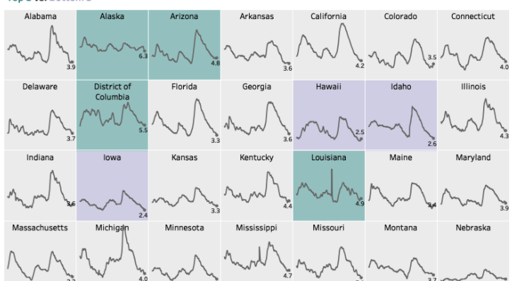
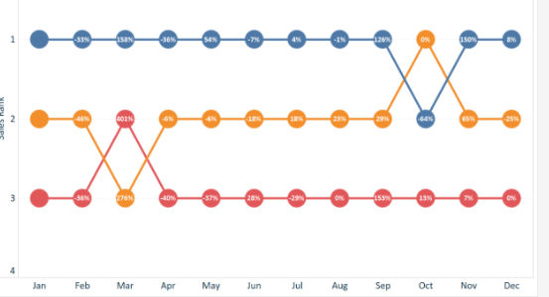
18 | Will all answers be present in a parent folder. Can admins organize by folder strucute, by finance or by operations? | Admin
19 | What version of thoughtspot is cloud? | Admin
20 | Is it possible to refrain by downloading the data details from a shared answer? | Admin

 |  |  | #11=>

